Regatta
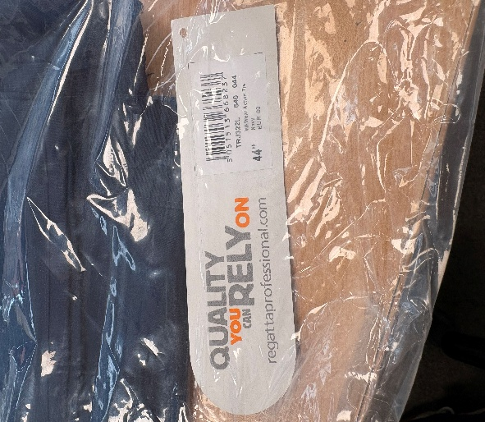
REGATTA WorkWear Action Trouser
NAVY | WAIST | 28 | 30 | 32 | 36 | 42 | 44 | 46 | 48 | 50 | 52 | TOTAL | RRP
LEG
29(S) |  |  |  |  |  |  |  | 23 | 44 | 37 | 99 | 203 | £35.00
31(R) |  | 8 |  | 1 |  | 1 | 4 | 12 | 38 | 71 | 21 | 156
33(L) |  | 75 | 25 | 1 | 1 | 74 | 32 | 97 | 3 | 72 | 46 | 426

BLACK | WAIST | 28 | 30 | 32 | 36 | 42 | 44 | 46 | 48 | 50 | 52
LEG
29(S) |  | 1 |  |  |  | 10 | 9 | 1 | 56 | 97 | 80 | 254 | £35.00
31(R) |  | 12 |  |  |  |  |  | 2 | 1 |  | 2 | 17
33(L) |  | 75 | 1 |  |  |  |  |  | 22 | 90 | 73 | 261
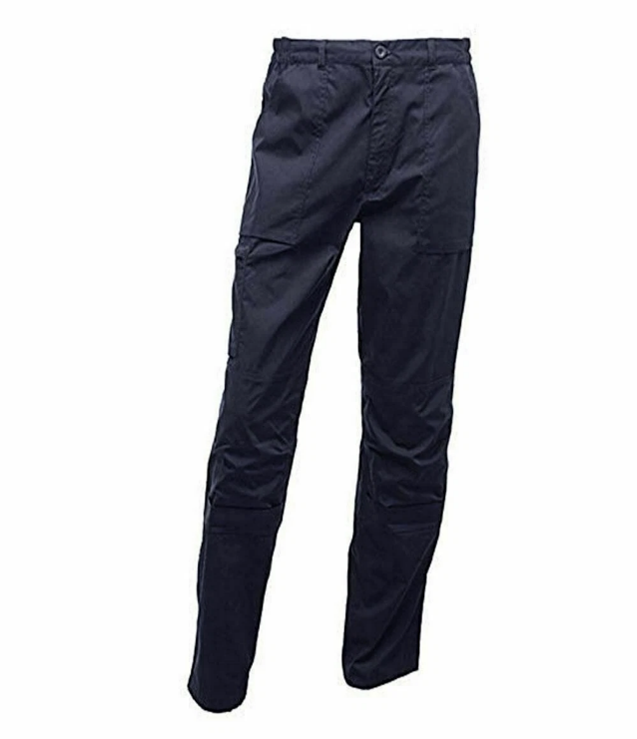
 |  |  |  |  |  |  |  |  |  |  |  | 1317
